Financial Analysis
Profitability
Liquidity
OVERALL FINANCIAL ASSESMENT
- Extremely high leverage, which amplifies ROE. However, the company has a reasonable cushion for covering interest expense.
- Current assets are insufficient to cover current liabilities, indicating short-term liquidity risk.
- Positive overall cash flow, but substantial startup investment resulted in negative free cash flow, which is reasonable for a first year company

Measure | Ratio | Value | Reference | Interpretation
PROFITABILITY | Gross Margin | 13.07% |  | Retained $0.13 per dollar of sales after manufacturing costs
 | Operating Margin | 6.80% |  | Retained $0.068 per dollar of sales from operations after SG&A costs
 | Profit Margin | 5.40% |  | Retained $0.054 per dollar of sales as profit
*ROA/ROE use ending balances (First-year company starting from 0) | ROA | 11.34% |  | Generated a 11.34% return on Assets
 | ROE | 77.44% |  | Generated a 77.44% return on common stockholder's equity
 | Basic Earning Power (BEP) | 14.27% |  | Generated a 14.27% operating return on total assets before interest and taxes
High ROE significantly amplified by extremely high leverage

LIQUIDITY | Current Ratio | 0.993 | 1 | $0.99 of current assets for every $1.00 of current liabilities
 | Quick Ratio | 0.868 | 1 | $0.868 of highly liquid current assets for every $1.00 of current liabilities
 | Working Capital | $(70,000)
Capital Structure
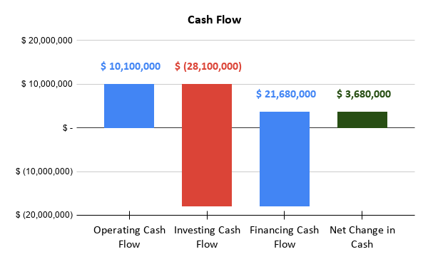
Negative short-term liquidity balance

DEBT MANAGEMENT | Debt-to-Equity | 3.92 |  | Using $3.92 of debt for every $1 of equity
 | Debt Ratio | 85.36% |  | 85.36% of assets financed by liabilities
 | Equity Ratio | 14.64% |  | 14.64% of assets financed by equity
 | Equity Multiplier | 6.83 |  | Asset value is 6.83x that of equity
 | Times Interest Earned (TIE) | 5.1 |  | Generated $5.10 of operating earnings for every $1 of interest expense
Extremely high leverage but with a reasonable cushion for interest expense

ASSET MANAGEMENT | Total Asset Turnover | 2.10 |  | Generated $2.10 in sales for every $1.00 invested in total assets
 | Fixed Asset Turnover | 2.91 |  | Generated $2.91 in sales for every $1.00 invested in fixed assets
 | Days Sales Outstanding (DSO) | 24.33 |  | Customers take approximately 24.3 days, on average, to pay
Investments in assets generate more than double their value in sales

CASH FLOW | Operating Cash Flow | $10,100,000 |  | Operations generated positive cash despite significant startup investment
 | Investing Cash Flow | $(28,100,000) |  | Heavy Investment into long term assets
 | Financing Cash Flow | $21,680,000 |  | Generated substantial cash flow from financing
 | Net Change in Cash | $3,680,000 |  | Positive cash flow overall
 | OCF Margin | 13.47% |  | Generated $0.135 of operating cash for every $1.00 in sales
 | Free Cash Flow | $(18,350,000) |  | Heavy capital investment exceeded operating cash generation
Generated postive operating cash flow but heavy startup capital expenditures resulted in negative free cash flow

